Rab Jasa
RAB PT. DAIKI (LEBARAN )
 |  |  |  | JASA KERJA |  | Hand Tool & Consumable |  |  | SAFETY EQUIPMENT |  |  |  |  |  |  | MOB - DEMOB |  | Akomodasi |  |  | Lain Lain |  |  | Jumlah
Bulan | KETERANGAN | CASH | Jasa Coring | Gaji | Kasbon | Consumable | Hand Tool | Begisting | Safety | Jackhammer | Mixer | Vibrator | Mesin Las | Cutting Brick | Diamond Blade | Man Power | Equipment | Penginapan | Makan | Transport Lokal | Asuransi Pekerja | MCU | Biaya lain

07/03/2025 | Beli 4 Roll Selang Vibrator 38x6M |  |  |  |  |  | Rp4,400,000 |  |  |  |  |  |  |  |  |  |  |  |  |  |  |  |  | Rp4,400,000
 | Beli 10 Lusin Masker |  |  |  |  |  |  |  | Rp500,000 |  |  |  |  |  |  |  |  |  |  |  |  |  |  | Rp500,000
 | Beli 100 Pcs Earplug |  |  |  |  |  |  |  | Rp100,000 |  |  |  |  |  |  |  |  |  |  |  |  |  |  | Rp100,000
 | Beli 104 Pcs Kacamata |  |  |  |  |  |  |  | Rp1,560,000 |  |  |  |  |  |  |  |  |  |  |  |  |  |  | Rp1,560,000
 | Beli 50 Lusin sarung Tangan |  |  |  |  |  |  |  | Rp875,000 |  |  |  |  |  |  |  |  |  |  |  |  |  |  | Rp875,000
 | Beli Lomh Moil Point 450mm F/TCA-7 (Mata Jackhammer TCA -7) |  |  |  |  |  | Rp4,641,000 |  |  |  |  |  |  |  |  |  |  |  |  |  |  |  |  | Rp4,641,000
 | Bei 3 Pcs M4 Moil Point Hex 25mm (mata Jackhammer Listrik) |  |  |  |  |  | Rp1,845,000 |  |  |  |  |  |  |  |  |  |  |  |  |  |  |  |  | Rp1,845,000
12/03/2025 | Beli 10 Pcs Mata jackhammer TPB 60 |  |  |  |  |  | Rp6,067,748 |  |  |  |  |  |  |  |  |  |  |  |  |  |  |  |  | Rp6,067,748
17/03/2025 | Beli 1 Unit Jigsaw (Makita 4327M) |  |  |  |  |  | Rp1,075,000 |  |  |  |  |  |  |  |  |  |  |  |  |  |  |  |  | Rp1,075,000
 | Beli 3 Unit Gerinda Tangan 4" (Makita) |  |  |  |  |  | Rp2,250,000 |  |  |  |  |  |  |  |  |  |  |  |  |  |  |  |  | Rp2,250,000
18/03/2025 | Beli 2 Lbr Plat Esser 12 ml |  |  |  |  | Rp8,260,000 |  |  |  |  |  |  |  |  |  |  |  |  |  |  |  |  |  | Rp8,260,000
 | Beli 5 Pcs Pin 3"x2,5 |  |  |  |  | Rp2,815,000 |  |  |  |  |  |  |  |  |  |  |  |  |  |  |  |  |  | Rp2,815,000
 | Beli 4 Btg Siku 5x5 |  |  |  |  | Rp90,000 |  |  |  |  |  |  |  |  |  |  |  |  |  |  |  |  |  | Rp90,000
 | Beli 4 Dus Kawat Las 3,2 |  |  |  |  | Rp600,000 |  |  |  |  |  |  |  |  |  |  |  |  |  |  |  |  |  | Rp600,000
 | Beli 6 Pcs Cutting 14" WD |  |  |  |  | Rp270,000 |  |  |  |  |  |  |  |  |  |  |  |  |  |  |  |  |  | Rp270,000
19/03/2025 | DP Pembayaran Jasa Coring |  | Rp10,500,000 |  |  |  |  |  |  |  |  |  |  |  |  |  |  |  |  |  |  |  |  | Rp-
19/03/2025 | Beli 20 Pcs Mata Jackhammer TCA 7 |  |  |  |  |  | Rp7,140,000 |  |  |  |  |  |  |  |  |  |  |  |  |  |  |  |  | Rp7,140,000
20/03/2025 | Beli 1 Roll Kabel NYYHY 2x1,5 Jembo @ 50M |  |  |  |  | Rp490,000 |  |  |  |  |  |  |  |  |  |  |  |  |  |  |  |  |  | Rp490,000
 | Beli 4 Bh Kap Sorot LED 50W Luxen |  |  |  |  | Rp924,000 |  |  |  |  |  |  |  |  |  |  |  |  |  |  |  |  |  | Rp924,000
 | Beli 5 Bh Stop Kontak 4 Lubang Non Broco |  |  |  |  | Rp190,000 |  |  |  |  |  |  |  |  |  |  |  |  |  |  |  |  |  | Rp190,000
 | Beli 10 Bh Stecker Arde 1331055 Broco |  |  |  |  | Rp105,000 |  |  |  |  |  |  |  |  |  |  |  |  |  |  |  |  |  | Rp105,000
 | Beli 1 Roll NYYHY 3x2,5 Jembo @ 50M |  |  |  |  | Rp1,067,000 |  |  |  |  |  |  |  |  |  |  |  |  |  |  |  |  |  | Rp1,067,000
20/03/2025 | Beli 4 Pcs Traffic Cone 70 cm |  |  |  |  |  |  |  | Rp308,000 |  |  |  |  |  |  |  |  |  |  |  |  |  |  | Rp308,000
 | Beli 6 Pcs Boch Hexagon 17 Flat Chisel 1280 (Mata Jackhammer Listrik) |  |  |  |  | Rp450,000 |  |  |  |  |  |  |  |  |  |  |  |  |  |  |  |  |  | Rp450,000
20/03/2025 | Beli 20 Pcs Ember Orange kecil |  |  |  |  | Rp180,000 |  |  |  |  |  |  |  |  |  |  |  |  |  |  |  |  |  | Rp180,000
 | Beli 60 btg Kaso Meranti 4x6 |  |  |  |  |  |  | Rp2,160,000 |  |  |  |  |  |  |  |  |  |  |  |  |  |  |  | Rp2,160,000
 | Beli 10 Kg Kawat Putih Sedang |  |  |  |  |  |  | Rp300,000 |  |  |  |  |  |  |  |  |  |  |  |  |  |  |  | Rp300,000
 | Beli 5 Kg Paku 5 cm |  |  |  |  |  |  | Rp90,000 |  |  |  |  |  |  |  |  |  |  |  |  |  |  |  | Rp90,000
 | Beli 7 Kg Paku 7 cm |  |  |  |  |  |  | Rp126,000 |  |  |  |  |  |  |  |  |  |  |  |  |  |  |  | Rp126,000
 | Beli 12 Lbr Triplek 12 mm |  |  |  |  |  |  | Rp54,000 |  |  |  |  |  |  |  |  |  |  |  |  |  |  |  | Rp54,000
 | Beli 10 Lbr Triplek 3 mm |  |  |  |  |  |  | Rp1,860,000 |  |  |  |  |  |  |  |  |  |  |  |  |  |  |  | Rp1,860,000
20/03/2025 | Beli 4 btg Kaso 4x6 |  |  |  |  |  |  | Rp144,000 |  |  |  |  |  |  |  |  |  |  |  |  |  |  |  | Rp144,000
 | Beli 1 Lbr Triplek 3 mm |  |  |  |  |  |  | Rp72,000 |  |  |  |  |  |  |  |  |  |  |  |  |  |  |  | Rp72,000
20/03/2025 | Beli 4 bh Aykan tepung |  |  |  |  | Rp60,000 |  |  |  |  |  |  |  |  |  |  |  |  |  |  |  |  |  | Rp60,000
 | Beli 2 Roll Benang Nilon Besar |  |  |  |  | Rp10,000 |  |  |  |  |  |  |  |  |  |  |  |  |  |  |  |  |  | Rp10,000
 | Beli 2 bh Gelas Ukur besar |  |  |  |  | Rp150,000 |  |  |  |  |  |  |  |  |  |  |  |  |  |  |  |  |  | Rp150,000
 | Beli 2 Pcs Gembok Honna panjang 40 mm |  |  |  |  | Rp60,000 |  |  |  |  |  |  |  |  |  |  |  |  |  |  |  |  |  | Rp60,000
20/03/2025 | Beli 40 Pcs Ember kecil orange |  |  |  |  | Rp360,000 |  |  |  |  |  |  |  |  |  |  |  |  |  |  |  |  |  | Rp360,000
 | Beli 4 bh Gergaji Kayu Cavanni |  |  |  |  | Rp220,000 |  |  |  |  |  |  |  |  |  |  |  |  |  |  |  |  |  | Rp220,000
 | Beli 5 Pcs Jigsaw Kayu Makita nO. 2 Type 34908 |  |  |  |  | Rp110,000 |  |  |  |  |  |  |  |  |  |  |  |  |  |  |  |  |  | Rp110,000
 | Beli 4 Pcs Kikir Bacho 4" |  |  |  |  | Rp170,000 |  |  |  |  |  |  |  |  |  |  |  |  |  |  |  |  |  | Rp170,000
 | Beli 2 bh Obeng Minus Sunflag |  |  |  |  | Rp140,000 |  |  |  |  |  |  |  |  |  |  |  |  |  |  |  |  |  | Rp140,000
 | Beli 2 bh Obeng Plus Gagang karet Mahoni 5 Inci |  |  |  |  | Rp24,000 |  |  |  |  |  |  |  |  |  |  |  |  |  |  |  |  |  | Rp24,000
 | Beli 4 Pcs Pahat beton ATS 10 Inchi |  |  |  |  | Rp50,000 |  |  |  |  |  |  |  |  |  |  |  |  |  |  |  |  |  | Rp50,000
 | Beli 10 Pcs Pensil Tukang |  |  |  |  | Rp160,000 |  |  |  |  |  |  |  |  |  |  |  |  |  |  |  |  |  | Rp160,000
 | Beli 2 Pcs Tespen Shukaku SKU -278 |  |  |  |  | Rp30,000 |  |  |  |  |  |  |  |  |  |  |  |  |  |  |  |  |  | Rp30,000
20/04/2025 | Beli 4 btg Balok Kayu 5x10 cm 4 M |  |  |  |  |  |  | Rp340,000 |  |  |  |  |  |  |  |  |  |  |  |  |  |  |  | Rp340,000
 | Beli 2 Pack Cutter Kenko L-150 |  |  |  |  | Rp20,000 |  |  |  |  |  |  |  |  |  |  |  |  |  |  |  |  |  | Rp20,000
 | Beli 76 Btg Kaso Meranti 4x6 |  |  |  |  |  |  | Rp2,736,000 |  |  |  |  |  |  |  |  |  |  |  |  |  |  |  | Rp2,736,000
 | Beli 15 Kg Kawat Putih Sedang |  |  |  |  |  |  | Rp450,000 |  |  |  |  |  |  |  |  |  |  |  |  |  |  |  | Rp450,000
 | Beli 6 Kg Paku 5 cm |  |  |  |  |  |  | Rp108,000 |  |  |  |  |  |  |  |  |  |  |  |  |  |  |  | Rp108,000
 | Beli 8 Kg paku 7 cm |  |  |  |  |  |  | Rp144,000 |  |  |  |  |  |  |  |  |  |  |  |  |  |  |  | Rp144,000
 | Beli 4 Pcs Pisau Cutter Kenko L-500 |  |  |  |  | Rp72,000 |  |  |  |  |  |  |  |  |  |  |  |  |  |  |  |  |  | Rp72,000
 | Beli 22 Lbr Triplek 12 mm |  |  |  |  |  |  | Rp3,410,000 |  |  |  |  |  |  |  |  |  |  |  |  |  |  |  | Rp3,410,000
 | Beli 10 Lbr Triplek 3 mm |  |  |  |  |  |  | Rp720,000 |  |  |  |  |  |  |  |  |  |  |  |  |  |  |  | Rp720,000
20/04/2025 | Beli 8 btg Balok Kayu 5x10 cm 4 M |  |  |  |  |  |  | Rp680,000 |  |  |  |  |  |  |  |  |  |  |  |  |  |  |  | Rp680,000
 | Beli 2 Pcs Isolasi Kabel Nitto 3/4 Inchi x 25 M |  |  |  |  |  |  | Rp24,000 |  |  |  |  |  |  |  |  |  |  |  |  |  |  |  | Rp24,000
 | Beli 140 Btg Kaso Meranti 4x6 |  |  |  |  |  |  | Rp5,040,000 |  |  |  |  |  |  |  |  |  |  |  |  |  |  |  | Rp5,040,000
 | Beli 3 Pcs Lakban Kertas Daimaru |  |  |  |  | Rp27,000 |  |  |  |  |  |  |  |  |  |  |  |  |  |  |  |  |  | Rp27,000
 | Beli 3 Pcs Lakban Nipon Coklat 2 inchi |  |  |  |  | Rp45,000 |  |  |  |  |  |  |  |  |  |  |  |  |  |  |  |  |  | Rp45,000
 | Beli 1 Kaleng Lem Aibon Aica Aiobon 700g |  |  |  |  | Rp85,000 |  |  |  |  |  |  |  |  |  |  |  |  |  |  |  |  |  | Rp85,000
 | Beli 6 Kg Paku 5 cm |  |  |  |  |  |  | Rp108,000 |  |  |  |  |  |  |  |  |  |  |  |  |  |  |  | Rp108,000
 | Beli 9 Kg Paku 7 cm |  |  |  |  |  |  | Rp162,000 |  |  |  |  |  |  |  |  |  |  |  |  |  |  |  | Rp162,000
 | Beli 28 Lbr Triplek 12 mm |  |  |  |  |  |  | Rp4,340,000 |  |  |  |  |  |  |  |  |  |  |  |  |  |  |  | Rp4,340,000
 | Beli 3 Lbr Triplek 3 mm |  |  |  |  |  |  | Rp216,000 |  |  |  |  |  |  |  |  |  |  |  |  |  |  |  | Rp216,000
2025-04-20 | Beli 5 Roll Lakban Bening Daimaru 2 inchi |  |  |  |  | Rp75,000 |  |  |  |  |  |  |  |  |  |  |  |  |  |  |  |  |  | Rp75,000
 | Beli 5 Pcs Lakban Kertas Daimaru 1 inchi |  |  |  |  | Rp45,000 |  |  |  |  |  |  |  |  |  |  |  |  |  |  |  |  |  | Rp45,000
 | Beli 5 Pcs Lakban Nippon Coklat 2 Inchi |  |  |  |  | Rp75,000 |  |  |  |  |  |  |  |  |  |  |  |  |  |  |  |  |  | Rp75,000
 | Beli 10 Pcs Meteran Soligen 5 m |  |  |  |  | Rp250,000 |  |  |  |  |  |  |  |  |  |  |  |  |  |  |  |  |  | Rp250,000
 | Beli 5 Pcs Palu Kambing Camel gagang Fiber 0,5 |  |  |  |  | Rp325,000 |  |  |  |  |  |  |  |  |  |  |  |  |  |  |  |  |  | Rp325,000
 | Beli 6 bh Palu Kambing Camel Gagang Fiber 0,25 |  |  |  |  | Rp330,000 |  |  |  |  |  |  |  |  |  |  |  |  |  |  |  |  |  | Rp330,000
 | Beli 4 Pcs Palu kambing Excito kecil |  |  |  |  | Rp220,000 |  |  |  |  |  |  |  |  |  |  |  |  |  |  |  |  |  | Rp220,000
 | Beli 30 bh Sendok Semen Camel 7" |  |  |  |  | Rp600,000 |  |  |  |  |  |  |  |  |  |  |  |  |  |  |  |  |  | Rp600,000
 | Beli 2 Pcs Tang gegep Camel 9" |  |  |  |  | Rp10,000 |  |  |  |  |  |  |  |  |  |  |  |  |  |  |  |  |  | Rp10,000
 | Beli 2 Pcs Tang Kombinasi Profesional |  |  |  |  | Rp110,000 |  |  |  |  |  |  |  |  |  |  |  |  |  |  |  |  |  | Rp110,000
20/03/2025 | Beli 4 Bks Lem fox |  |  |  |  | Rp48,000 |  |  |  |  |  |  |  |  |  |  |  |  |  |  |  |  |  | Rp48,000
24/03/2025 | Beli 10 Kg Kawat Las NSN 309 Dia. 3,2 mm |  |  |  |  | Rp1,470,000 |  |  |  |  |  |  |  |  |  |  |  |  |  |  |  |  |  | Rp1,470,000
24/03/2025 | Bayar DP Pekerjaan Coring CV Teknik Perdana |  |  | Rp11,655,000 |  |  |  |  |  |  |  |  |  |  |  |  |  |  |  |  |  |  |  | Rp11,655,000
24/03/2025 | Beli 1 Unit Handclft |  |  |  |  |  | Rp4,409,000 |  |  |  |  |  |  |  |  |  |  |  |  |  |  |  |  | Rp4,409,000
25/03/2025 | Beli bensin dan toll pick up antar alat 2 mobil |  |  |  |  |  |  |  |  |  |  |  |  |  |  |  | Rp1,200,000 |  |  |  |  |  |  | Rp1,200,000
 | Beli 2 gas LPG utk Bakr Sapot Daiki |  |  |  |  | Rp400,000 |  |  |  |  |  |  |  |  |  |  |  |  |  |  |  |  |  | Rp400,000
25/03/2025 | Beli Terpal (Anwar) |  |  |  |  | Rp1,000,000 |  |  |  |  |  |  |  |  |  |  |  |  |  |  |  |  |  | Rp1,000,000
 | Beli Terpal (Niin) |  |  |  |  | Rp728,000 |  |  |  |  |  |  |  |  |  |  |  |  |  |  |  |  |  | Rp728,000
25/03/2025 | Beli 4 Pcs Ventilator Industrial Fan 300mm (Blower) |  |  |  |  |  | Rp7,189,720 |  |  |  |  |  |  |  |  |  |  |  |  |  |  |  |  | Rp7,189,720
 | Beli 1 Pcs Duct Ventilator Industrial 300mmx10M |  |  |  |  |  | Rp1,305,150 |  |  |  |  |  |  |  |  |  |  |  |  |  |  |  |  | Rp1,305,150
25/03/2025 | Beli 10 Pensil Tukang |  |  |  |  | Rp30,000 |  |  |  |  |  |  |  |  |  |  |  |  |  |  |  |  |  | Rp30,000
 | Beli 4 Pcs Pisau Cutter Kenko L-500 |  |  |  |  | Rp72,000 |  |  |  |  |  |  |  |  |  |  |  |  |  |  |  |  |  | Rp72,000
 | Beli 24 Pack Isi Cutter Kenko |  |  |  |  | Rp240,000 |  |  |  |  |  |  |  |  |  |  |  |  |  |  |  |  |  | Rp240,000
26/03/2025 | Beli bensin dan toll pick up antar alat 2 mobil |  |  |  |  |  |  |  |  |  |  |  |  |  |  |  | Rp1,800,000 |  |  |  |  |  |  | Rp1,800,000
 | Uang jalan Pak Anwar Kawal alat & begsiting |  |  |  |  |  |  |  |  |  |  |  |  |  |  |  |  |  |  | Rp1,000,000 |  |  |  | Rp1,000,000
 | Ongkos Mobil antar begisting |  |  |  |  |  |  |  |  |  |  |  |  |  |  |  | Rp1,500,000 |  |  |  |  |  |  | Rp1,500,000
26/03/2025 | Transfer Kas | Rp50,000,000 |  |  |  |  |  |  |  |  |  |  |  |  |  |  |  |  |  |  |  |  |  | Rp-
26/03/2025 | Bayar sewa kontrakan rumah 2 unit |  |  |  |  |  |  |  |  |  |  |  |  |  |  |  |  | Rp8,000,000 |  |  |  |  |  | Rp8,000,000
 | Baar sewa kontrakan 4 pintu |  |  |  |  |  |  |  |  |  |  |  |  |  |  |  |  | Rp3,000,000 |  |  |  |  |  | Rp3,000,000
26/03/2025 | Beli 1 Pcs Daimond Blade NK 14" |  |  |  |  | Rp1,815,000 |  |  |  |  |  |  |  |  |  |  |  |  |  |  |  |  |  | Rp1,815,000
 | Beli 1 Pcs Daimond Blade NK 16" |  |  |  |  | Rp2,265,000 |  |  |  |  |  |  |  |  |  |  |  |  |  |  |  |  |  | Rp2,265,000
26/03/2025 | Bayar BPJS Daiki Lebaran |  |  |  |  |  |  |  |  |  |  |  |  |  |  |  |  |  |  |  | Rp1,779,670 |  |  | Rp1,779,670
26/03/2025 | Beli 5 Pcs Lakban Hitam 2" |  |  |  |  | Rp10,000 |  |  |  |  |  |  |  |  |  |  |  |  |  |  |  |  |  | Rp10,000
 | Beli 2 Pcs Kunci Inggris 10" |  |  |  |  | Rp120,000 |  |  |  |  |  |  |  |  |  |  |  |  |  |  |  |  |  | Rp120,000
 | Beli 5 Pcs Isolasi Bitto |  |  |  |  | Rp60,000 |  |  |  |  |  |  |  |  |  |  |  |  |  |  |  |  |  | Rp60,000
 | Beli 5 Pcs Seal Tape |  |  |  |  | Rp100,000 |  |  |  |  |  |  |  |  |  |  |  |  |  |  |  |  |  | Rp100,000
26/03/2025 | Beli 1 bh Lampu Hannoch 32 W |  |  |  |  | Rp65,000 |  |  |  |  |  |  |  |  |  |  |  |  |  |  |  |  |  | Rp65,000
 | Beli 2 bh Lampu LED Inlite 18 watt |  |  |  |  | Rp90,000 |  |  |  |  |  |  |  |  |  |  |  |  |  |  |  |  |  | Rp90,000
 | Beli 2 Pcs Lem Tetes Dextone |  |  |  |  | Rp18,000 |  |  |  |  |  |  |  |  |  |  |  |  |  |  |  |  |  | Rp18,000
26/03/2025 | Beli 1 bh Kunci Inggris 12 |  |  |  |  | Rp75,000 |  |  |  |  |  |  |  |  |  |  |  |  |  |  |  |  |  | Rp75,000
27/03/2025 | Beli 3 bh Tikar |  |  |  |  | Rp375,000 |  |  |  |  |  |  |  |  |  |  |  |  |  |  |  |  |  | Rp375,000
 | Beli 8 Pcs Tikar Dolpin |  |  |  |  | Rp400,000 |  |  |  |  |  |  |  |  |  |  |  |  |  |  |  |  |  | Rp400,000
 | Biaya Print A3 |  |  |  |  |  |  |  |  |  |  |  |  |  |  |  |  |  |  |  |  |  | Rp20,000 | Rp20,000
 | Beli BBM Motor |  |  |  |  |  |  |  |  |  |  |  |  |  |  |  |  |  |  | Rp40,000 |  |  |  | Rp40,000
 | Bayar sewa ELF 4 unit antar pekerja Shift siang |  |  |  |  |  |  |  |  |  |  |  |  |  |  | Rp4,000,000 |  |  |  |  |  |  |  | Rp4,000,000
 | Bayar sewa ELF 4 unit antar shift malam |  |  |  |  |  |  |  |  |  |  |  |  |  |  | Rp4,000,000 |  |  |  |  |  |  |  | Rp4,000,000
 | Tip Pak Derry |  |  |  |  |  |  |  |  |  |  |  |  |  |  |  |  |  |  |  |  |  | Rp1,000,000 | Rp1,000,000
 | Beli 51 bks nasi utk shift malam |  |  |  |  |  |  |  |  |  |  |  |  |  |  |  |  |  | Rp867,000 |  |  |  |  | Rp867,000
 | Beli 3 bks nasi utk maintenace Pak Ade |  |  |  |  |  |  |  |  |  |  |  |  |  |  |  |  |  | Rp75,000 |  |  |  |  | Rp75,000
 | Beli 4 galon Lee mineral air @ 15 Liter |  |  |  |  |  |  |  |  |  |  |  |  |  |  |  |  |  | Rp91,000 |  |  |  |  | Rp91,000
 | Beli solar mobil L-300 |  |  |  |  |  |  |  |  |  |  |  |  |  |  |  |  |  |  | Rp200,000 |  |  |  | Rp200,000
 | Uang tip Kuli Compressor datang |  |  |  |  |  |  |  |  |  |  |  |  |  |  |  |  |  |  |  |  |  | Rp100,000 | Rp100,000
 | Beli 3 bh Colokan utk Mess |  |  |  |  | Rp150,000 |  |  |  |  |  |  |  |  |  |  |  |  |  |  |  |  |  | Rp150,000
27/03/2025 | Bayar gaji Anwar |  |  | Rp635,700 |  |  |  |  |  |  |  |  |  |  |  |  |  |  |  |  |  |  |  | Rp635,700
 | Bayar gaji Dadan |  |  | Rp472,500 |  |  |  |  |  |  |  |  |  |  |  |  |  |  |  |  |  |  |  | Rp472,500
 | Bayar gaji Dadan Hamdani |  |  | Rp421,500 |  |  |  |  |  |  |  |  |  |  |  |  |  |  |  |  |  |  |  | Rp421,500
 | Bayar gaji Edi Kurnaedi |  |  | Rp277,500 |  |  |  |  |  |  |  |  |  |  |  |  |  |  |  |  |  |  |  | Rp277,500
 | Bayar gaji Iwan fauzi |  |  | Rp607,650 |  |  |  |  |  |  |  |  |  |  |  |  |  |  |  |  |  |  |  | Rp607,650
 | bayar gaji Muhammad Sopyan |  |  | Rp472,500 |  |  |  |  |  |  |  |  |  |  |  |  |  |  |  |  |  |  |  | Rp472,500
 | Bayar gaji Sandi ramdani |  |  | Rp421,500 |  |  |  |  |  |  |  |  |  |  |  |  |  |  |  |  |  |  |  | Rp421,500
 | Bayar gaji Suhendar |  |  | Rp240,500 |  |  |  |  |  |  |  |  |  |  |  |  |  |  |  |  |  |  |  | Rp240,500
 | Kasbon Anwar |  |  |  | Rp200,000 |  |  |  |  |  |  |  |  |  |  |  |  |  |  |  |  |  |  | Rp200,000
 | Kasbon Dadan |  |  |  | Rp200,000 |  |  |  |  |  |  |  |  |  |  |  |  |  |  |  |  |  |  | Rp200,000
 | Kasbon Dadan Hamdani |  |  |  | Rp200,000 |  |  |  |  |  |  |  |  |  |  |  |  |  |  |  |  |  |  | Rp200,000
 | Kasbon Edi Kurnaedi |  |  |  | Rp200,000 |  |  |  |  |  |  |  |  |  |  |  |  |  |  |  |  |  |  | Rp200,000
 | Kasbon Muhammd Sopyan |  |  |  | Rp200,000 |  |  |  |  |  |  |  |  |  |  |  |  |  |  |  |  |  |  | Rp200,000
 | Kasbon Sandi Ramdani |  |  |  | Rp200,000 |  |  |  |  |  |  |  |  |  |  |  |  |  |  |  |  |  |  | Rp200,000
 | Kasbon Suhendar |  |  |  | Rp200,000 |  |  |  |  |  |  |  |  |  |  |  |  |  |  |  |  |  |  | Rp200,000
28/03/2025 | Tip Maintenace Plant 1 |  |  |  |  |  |  |  |  |  |  |  |  |  |  |  |  |  |  |  |  |  | Rp800,000 | Rp800,000
 | Tip Mainteance Plant 2 |  |  |  |  |  |  |  |  |  |  |  |  |  |  |  |  |  |  |  |  |  | Rp800,000 | Rp800,000
28/03/2025 | Beli 2 Pcs Mata gergaji Jigsaw |  |  |  |  | Rp40,000 |  |  |  |  |  |  |  |  |  |  |  |  |  |  |  |  |  | Rp40,000
28/03/2025 | Beli 2 Pcs faceshield |  |  |  |  |  |  |  | Rp120,000 |  |  |  |  |  |  |  |  |  |  |  |  |  |  | Rp120,000
 | Beli 2 Box Mata Gerinda WD tipis |  |  |  |  | Rp110,000 |  |  |  |  |  |  |  |  |  |  |  |  |  |  |  |  |  | Rp110,000
28/03/2025 | Beli 15 Lbr Triplek 3 mm |  |  |  |  |  |  | Rp600,000 |  |  |  |  |  |  |  |  |  |  |  |  |  |  |  | Rp600,000
 | Beli 20 Ikat kawat putih BWG |  |  |  |  |  |  | Rp400,000 |  |  |  |  |  |  |  |  |  |  |  |  |  |  |  | Rp400,000
 | Beli 10 Kg Paku 5 cm |  |  |  |  |  |  | Rp150,000 |  |  |  |  |  |  |  |  |  |  |  |  |  |  |  | Rp150,000
 | Beli 3 Dus Paku GRC |  |  |  |  |  |  | Rp75,000 |  |  |  |  |  |  |  |  |  |  |  |  |  |  |  | Rp75,000
 | Beli 1 Pcs Spidol |  |  |  |  | Rp8,500 |  |  |  |  |  |  |  |  |  |  |  |  |  |  |  |  |  | Rp8,500
 | Beli 6 Box Masker Medis |  |  |  |  |  |  | Rp72,000 |  |  |  |  |  |  |  |  |  |  |  |  |  |  |  | Rp72,000
28/04/2025 | Beli 51 bks nasi utk shift malam |  |  |  |  |  |  |  |  |  |  |  |  |  |  |  |  |  | Rp867,000 |  |  |  |  | Rp867,000
 | Beli nasi 4 bks utk lembur malam |  |  |  |  |  |  |  |  |  |  |  |  |  |  |  |  |  | Rp68,000 |  |  |  |  | Rp68,000
 | Beli obat tetes mata dan obat obatan |  |  |  |  |  |  |  | Rp324,000 |  |  |  |  |  |  |  |  |  |  |  |  |  |  | Rp324,000
28/03/2025 | Beli BBM Mobil Suzuki |  |  |  |  |  |  |  |  |  |  |  |  |  |  |  |  |  |  | Rp250,000 |  |  |  | Rp250,000
 | Beli Herocyn |  |  |  |  |  |  |  | Rp34,000 |  |  |  |  |  |  |  |  |  |  |  |  |  |  | Rp34,000
29/04/2025 | Top Up Etoll mobil Suzuki |  |  |  |  |  |  |  |  |  |  |  |  |  |  |  |  |  |  |  |  |  | Rp150,000 | Rp150,000
29/04/2025 | Tip team Security |  |  |  |  |  |  |  |  |  |  |  |  |  |  |  |  |  |  |  |  |  | Rp700,000 | Rp700,000
 | Beli 2 Pack kawat LAS RD 260 Dia. 3,2 mm @5Kg |  |  |  |  | Rp295,000 |  |  |  |  |  |  |  |  |  |  |  |  |  |  |  |  |  | Rp295,000
29/03/2025 | Beli 3 Pcs Carbon Brush |  |  |  |  | Rp111,000 |  |  |  |  |  |  |  |  |  |  |  |  |  |  |  |  |  | Rp111,000
29/04/2025 | Beli 2 galon air minum |  |  |  |  |  |  |  |  |  |  |  |  |  |  |  |  |  | Rp47,200 |  |  |  |  | Rp47,200
 | Beli 51 bks nasi utk shift malam |  |  |  |  |  |  |  |  |  |  |  |  |  |  |  |  |  | Rp867,000 |  |  |  |  | Rp867,000
 | Beli solar mobil L-300 |  |  |  |  |  |  |  |  |  |  |  |  |  |  |  |  |  |  | Rp200,000 |  |  |  | Rp200,000
 | Beli BBM Mobil Suzuki |  |  |  |  |  |  |  |  |  |  |  |  |  |  |  |  |  |  | Rp210,320 |  |  |  | Rp210,320
 | Beli 4 bks nasi utk lembur |  |  |  |  |  |  |  |  |  |  |  |  |  |  |  |  |  | Rp80,000 |  |  |  |  | Rp80,000
 | Beli BBM Motor |  |  |  |  |  |  |  |  |  |  |  |  |  |  |  |  |  |  | Rp40,000 |  |  |  | Rp40,000
30/03/2025 | Transfer Kas | Rp70,000,000 |  |  |  |  |  |  |  |  |  |  |  |  |  |  |  |  |  |  |  |  |  | Rp-
 | Bayar sewa ELF 4 unit antar pulang Shift Malam |  |  |  |  |  |  |  |  |  |  |  |  |  |  | Rp4,000,000 |  |  |  |  |  |  |  | Rp4,000,000
 | Bayar sewa ELF 4 unit anter pulang shift pagi |  |  |  |  |  |  |  |  |  |  |  |  |  |  | Rp4,000,000 |  |  |  |  |  |  |  | Rp4,000,000
 | Uang Rokok Security KKIC Num pang Parkir |  |  |  |  |  |  |  |  |  |  |  |  |  |  |  |  |  |  |  |  |  | Rp50,000 | Rp50,000
 | Uang makan operator Coring |  |  |  |  |  |  |  |  |  |  |  |  |  |  |  |  |  | Rp200,000 |  |  |  |  | Rp200,000
 | Beli BBM Motor Rendy |  |  |  |  |  |  |  |  |  |  |  |  |  |  |  |  |  |  | Rp45,000 |  |  |  | Rp45,000
 | Biaya print dokument harian |  |  |  |  |  |  |  |  |  |  |  |  |  |  |  |  |  |  |  |  |  | Rp40,000 | Rp40,000
01/04/2025 | Bayar sewa mobil ELF 4 unit ke proyek utk Shift siang |  |  |  |  |  |  |  |  |  |  |  |  |  |  | Rp4,000,000 |  |  |  |  |  |  |  | Rp4,000,000
 | Bayar sewa mobil ELF 4 unit ke proyek utk Shift malam |  |  |  |  |  |  |  |  |  |  |  |  |  |  | Rp4,000,000 |  |  |  |  |  |  |  | Rp4,000,000
 | Beli 51 bks nasi utk shift malam |  |  |  |  |  |  |  |  |  |  |  |  |  |  |  |  |  | Rp867,000 |  |  |  |  | Rp867,000
 | Beli BBM Mobil L300 |  |  |  |  |  |  |  |  |  |  |  |  |  |  |  |  |  |  | Rp236,000 |  |  |  | Rp236,000
 | Beli nasi 4 bks utk lembur |  |  |  |  |  |  |  |  |  |  |  |  |  |  |  |  |  | Rp80,000 |  |  |  |  | Rp80,000
 | Uang makan op. coring |  |  |  |  |  |  |  |  |  |  |  |  |  |  |  |  |  | Rp300,000 |  |  |  |  | Rp300,000
02/04/2025 | Beli 51 bks nasi utk shift malam |  |  |  |  |  |  |  |  |  |  |  |  |  |  |  |  |  | Rp867,000 |  |  |  |  | Rp867,000
 | Beli nasi 5 bks utk lembur |  |  |  |  |  |  |  |  |  |  |  |  |  |  |  |  |  | Rp100,000 |  |  |  |  | Rp100,000
 | Beli 2 galon air minum |  |  |  |  |  |  |  |  |  |  |  |  |  |  |  |  |  | Rp40,000 |  |  |  |  | Rp40,000
 | Beli obat obatan |  |  |  |  |  |  |  | Rp102,000 |  |  |  |  |  |  |  |  |  |  |  |  |  |  | Rp102,000
 | Top Up Etoll Mobil L300 |  |  |  |  |  |  |  |  |  |  |  |  |  |  |  |  |  |  |  |  |  | Rp102,000 | Rp102,000
02/04/2025 | Beli 11 btg Kaso 4x6 |  |  |  |  |  |  | Rp385,000 |  |  |  |  |  |  |  |  |  |  |  |  |  |  |  | Rp385,000
 | Beli Pocary Sweat shift siang |  |  |  |  |  |  |  |  |  |  |  |  |  |  |  |  |  | Rp479,000 |  |  |  |  | Rp479,000
 | Beli Pocary sweat shift malam |  |  |  |  |  |  |  |  |  |  |  |  |  |  |  |  |  | Rp470,000 |  |  |  |  | Rp470,000
 | Tip Kuli kawasan datang kaso dan pipa |  |  |  |  |  |  |  |  |  |  |  |  |  |  |  |  |  |  |  |  |  | Rp100,000 | Rp100,000
03/04/2025 | Beli 8 pcs Pensil tulkang |  |  |  |  | Rp24,000 |  |  |  |  |  |  |  |  |  |  |  |  |  |  |  |  |  | Rp24,000
 | Beli 1 kotak isi cutter |  |  |  |  | Rp8,500 |  |  |  |  |  |  |  |  |  |  |  |  |  |  |  |  |  | Rp8,500
 | Beli 51 bks nasi utk shift malam |  |  |  |  |  |  |  |  |  |  |  |  |  |  |  |  |  | Rp867,000 |  |  |  |  | Rp867,000
 | Beli 10 bks nasi utk lembur |  |  |  |  |  |  |  |  |  |  |  |  |  |  |  |  |  | Rp200,000 |  |  |  |  | Rp200,000
 | Beli Aki mobil L300 |  |  |  |  |  |  |  |  |  |  |  |  |  |  |  |  |  |  |  |  |  | Rp1,520,000 | Rp1,520,000
 | Beli BBM Mobil L-300 |  |  |  |  |  |  |  |  |  |  |  |  |  |  |  |  |  |  | Rp23,230 |  |  |  | Rp23,230
 | Beli BBm mobil Suzuki |  |  |  |  |  |  |  |  |  |  |  |  |  |  |  |  |  |  | Rp250,000 |  |  |  | Rp250,000
 | Beli 3 galon air m inum Lee mineral |  |  |  |  |  |  |  |  |  |  |  |  |  |  |  |  |  | Rp68,400 |  |  |  |  | Rp68,400
 | Tip Kuli dan Forklift turunkan Mixer |  |  |  |  |  |  |  |  |  |  |  |  |  |  |  |  |  |  |  |  |  | Rp100,000 | Rp100,000
04/04/2025 | Transfer Kas | Rp40,000,000 |  |  |  |  |  |  |  |  |  |  |  |  |  |  |  |  |  |  |  |  |  | Rp-
 | Beli 51 bks nasi utk shift malam |  |  |  |  |  |  |  |  |  |  |  |  |  |  |  |  |  | Rp867,000 |  |  |  |  | Rp867,000
 | Beli 30 pcs ember kecil |  |  |  |  |  |  | Rp180,000 |  |  |  |  |  |  |  |  |  |  |  |  |  |  |  | Rp180,000
 | Beli 10 Kg Kawat Putih Sedang |  |  |  |  |  |  | Rp480,000 |  |  |  |  |  |  |  |  |  |  |  |  |  |  |  | Rp480,000
 | Beli 2 Pcs Diamond Cup |  |  |  |  |  |  | Rp158,000 |  |  |  |  |  |  |  |  |  |  | Rp200,000 |  |  |  |  | Rp358,000
 | Biaya print, strples, map, dan pulpen |  |  |  |  |  |  |  |  |  |  |  |  |  |  |  |  |  |  |  |  |  | Rp59,500 | Rp59,500
05/04/2025 | Beli 2 pcs saringan |  |  |  |  | Rp35,000 |  |  |  |  |  |  |  |  |  |  |  |  |  |  |  |  |  | Rp35,000
 | Beli 3 dus Masker kesehatan |  |  |  |  |  |  |  | Rp49,500 |  |  |  |  |  |  |  |  |  |  |  |  |  |  | Rp49,500
 | Beli 4 pcs kuas cat |  |  |  |  | Rp58,000 |  |  |  |  |  |  |  |  |  |  |  |  |  |  |  |  |  | Rp58,000
 | Beli 4 Pcs Diamond Cup |  |  |  |  | Rp400,000 |  |  |  |  |  |  |  |  |  |  |  |  |  |  |  |  |  | Rp400,000
 | Beli BBM motor |  |  |  |  |  |  |  |  |  |  |  |  |  |  |  |  |  |  | Rp40,000 |  |  |  | Rp40,000
 | Beli 51 bks nasi utk shift malam |  |  |  |  |  |  |  |  |  |  |  |  |  |  |  |  |  | Rp867,000 |  |  |  |  | Rp867,000
 | Beli 4 bks nasi utk lembur |  |  |  |  |  |  |  |  |  |  |  |  |  |  |  |  |  | Rp80,000 |  |  |  |  | Rp80,000
 | Beli 2 klg lem Fox |  |  |  |  | Rp300,000 |  |  |  |  |  |  |  |  |  |  |  |  |  |  |  |  |  | Rp300,000
 | Beli BBM mpbil Suzuki |  |  |  |  |  |  |  |  |  |  |  |  |  |  |  |  |  |  | Rp300,000 |  |  |  | Rp300,000
 | Beli BBM Mobil L-300 |  |  |  |  |  |  |  |  |  |  |  |  |  |  |  |  |  |  | Rp200,000 |  |  |  | Rp200,000
 | Tip op. forklift muat alat ke mobil |  |  |  |  |  |  |  |  |  |  |  |  |  |  |  |  |  |  |  |  |  | Rp100,000 | Rp100,000
06/04/2025 | Bayar mobil ELF dan Carry antar pulang pekerja |  |  |  |  |  |  |  |  |  |  |  |  |  |  | Rp5,800,000 |  |  |  |  |  |  |  | Rp5,800,000
 | Tip operair forklift |  |  |  |  |  |  |  |  |  |  |  |  |  |  |  |  |  |  |  |  |  | Rp50,000 | Rp50,000
 | Beli 12 bks nasi utk shift malam |  |  |  |  |  |  |  |  |  |  |  |  |  |  |  |  |  | Rp204,000 |  |  |  |  | Rp204,000
 | Beli 2 bks nasi utk lembur malam |  |  |  |  |  |  |  |  |  |  |  |  |  |  |  |  |  | Rp40,000 |  |  |  |  | Rp40,000
 | Top up Etoll mobil Suzuki |  |  |  |  |  |  |  |  |  |  |  |  |  |  |  |  |  |  |  |  |  | Rp100,000 | Rp100,000
 | Beli BBm mobil Suzuki |  |  |  |  |  |  |  |  |  |  |  |  |  |  |  |  |  |  | Rp150,000 |  |  |  | Rp150,000
 | Top Up mobil L300 |  |  |  |  |  |  |  |  |  |  |  |  |  |  |  |  |  |  |  |  |  | Rp100,000 | Rp100,000
 | Tip operator forklift muat alat 2 mobil |  |  |  |  |  |  |  |  |  |  |  |  |  |  |  |  |  |  |  |  |  | Rp100,000 | Rp100,000
06/04/2025 | Uang rokok hansip parkir 2 mobil di mess |  |  |  |  |  |  |  |  |  |  |  |  |  |  |  |  |  |  |  |  |  | Rp200,000 | Rp200,000
 | Sewa 1 unit ELF antar pulang pekerja |  |  |  |  |  |  |  |  |  |  |  |  |  |  | Rp1,000,000 |  |  |  |  |  |  |  | Rp1,000,000
07/04/2025 | Transfer Kas | Rp22,000,000 |  |  |  |  |  |  |  |  |  |  |  |  |  |  |  |  |  |  |  |  |  | Rp-
07/04/2025 | Beli BBM motor |  |  |  |  |  |  |  |  |  |  |  |  |  |  |  |  |  |  | Rp40,000 |  |  |  | Rp40,000
 | Beli 12 bks nasi utk shift malam |  |  |  |  |  |  |  |  |  |  |  |  |  |  |  |  |  | Rp204,000 |  |  |  |  | Rp204,000
 | Top up Etoll mobil L300 |  |  |  |  |  |  |  |  |  |  |  |  |  |  |  |  |  |  |  |  |  | Rp100,000 | Rp100,000
 | Beli BBM mobil L300 |  |  |  |  |  |  |  |  |  |  |  |  |  |  |  |  |  |  | Rp261,000 |  |  |  | Rp261,000
 | Beli 4 Pcs Diamond Cup |  |  |  |  | Rp180,000 |  |  |  |  |  |  |  |  |  |  |  |  |  |  |  |  |  | Rp180,000
 | Beli 6 Pack Sarung Tangan Kain |  |  |  |  |  |  |  | Rp120,000 |  |  |  |  |  |  |  |  |  |  |  |  |  |  | Rp120,000
 | Tip Operator Forklift muat Castable (mobil Kuncung) |  |  |  |  |  |  |  |  |  |  |  |  |  |  |  |  |  |  |  |  |  | Rp50,000 | Rp50,000
 | Beli nasi 2 bks utk lembur malam |  |  |  |  |  |  |  |  |  |  |  |  |  |  |  |  |  | Rp40,000 |  |  |  |  | Rp40,000
08/04/2025 | Beli 2 b ks nasi utk shift malam |  |  |  |  |  |  |  |  |  |  |  |  |  |  |  |  |  | Rp40,000 |  |  |  |  | Rp40,000
 | Beli batu batre utk Thermogun |  |  |  |  | Rp50,000 |  |  |  |  |  |  |  |  |  |  |  |  |  |  |  |  |  | Rp50,000
 | Tip uang kuli arang dateng |  |  |  |  |  |  |  |  |  |  |  |  |  |  |  |  |  |  |  |  |  | Rp100,000 | Rp100,000
 | Tip Operator Forklift muat Castable (Truck) |  |  |  |  |  |  |  |  |  |  |  |  |  |  |  |  |  |  |  |  |  | Rp100,000 | Rp100,000
08/04/2025 | Biaya 5 pcs Modifikasi Corong Nilon Guunning |  |  |  |  | Rp500,000 |  |  |  |  |  |  |  |  |  |  |  |  |  |  |  |  |  | Rp500,000
09/04/2025 | Beli nasi 2 bks utk Shift malam |  |  |  |  |  |  |  |  |  |  |  |  |  |  |  |  |  | Rp40,000 |  |  |  |  | Rp40,000
 | Bayarsewa mobil ELF antar pulang pekerja |  |  |  |  |  |  |  |  |  |  |  |  |  |  | Rp1,000,000 |  |  |  |  |  |  |  | Rp1,000,000
 |  |  |  |  |  |  |  |  |  |  |  |  |  |  |  |  |  |  |  |  |  |  |  | Rp-
09/04/2025 | Bayar gaji 32 Orang (Shift Pagi) |  |  | Rp72,407,500 |  |  |  |  |  |  |  |  |  |  |  |  |  |  |  |  |  |  |  | Rp72,407,500
 | Kasbon 32 Orang (Shift Pagi) |  |  |  | Rp33,792,000 |  |  |  |  |  |  |  |  |  |  |  |  |  |  |  |  |  |  | Rp33,792,000
 | Bayar gaji 40 Orang (Shift malam) |  |  | Rp90,271,350 |  |  |  |  |  |  |  |  |  |  |  |  |  |  |  |  |  |  |  | Rp90,271,350
 | Kasbon 32 Orang (Shift Pagi) |  |  |  | Rp37,100,000 |  |  |  |  |  |  |  |  |  |  |  |  |  |  |  |  |  |  | Rp37,100,000
10/04/2025 | Bayar gaji 29 org (Shifft malam+ Pagi) |  |  | Rp87,518,875 |  |  |  |  |  |  |  |  |  |  |  |  |  |  |  |  |  |  |  | Rp87,518,875
 | Kasbon 29 org (shiftv malam+pagi) |  |  |  | Rp27,560,000 |  |  |  |  |  |  |  |  |  |  |  |  |  |  |  |  |  |  | Rp27,560,000
11/04/2025 | Bayar gaji Anwar |  |  | Rp6,466,100 |  |  |  |  |  |  |  |  |  |  |  |  |  |  |  |  |  |  |  | Rp6,466,100
 | Bayar gaji Ardi Wiranata |  |  | Rp3,147,500 |  |  |  |  |  |  |  |  |  |  |  |  |  |  |  |  |  |  |  | Rp3,147,500
 | Bayar gaji Rendy Trisukma S |  |  | Rp6,740,250 |  |  |  |  |  |  |  |  |  |  |  |  |  |  |  |  |  |  |  | Rp6,740,250
 | Kasbon Anwar |  |  |  | Rp2,407,000 |  |  |  |  |  |  |  |  |  |  |  |  |  |  |  |  |  |  | Rp2,407,000
 | Kasbon Ardi Wiranata |  |  |  | Rp1,217,000 |  |  |  |  |  |  |  |  |  |  |  |  |  |  |  |  |  |  | Rp1,217,000
 | Kasbon Rendy Trisukma S |  |  |  | Rp190,000 |  |  |  |  |  |  |  |  |  |  |  |  |  |  |  |  |  |  | Rp190,000
11/04/2025 | Sewa Jackhammer 37 Unit 5 hari |  |  |  |  |  |  |  |  | Rp10,000,000 |  |  |  |  |  |  |  |  |  |  |  |  |  | Rp10,000,000
 | Sewa Mixer 10 Unit 5 hari |  |  |  |  |  |  |  |  |  | Rp2,500,000 |  |  |  |  |  |  |  |  |  |  |  |  | Rp2,500,000
 | Sewa Vibrator 20 Unit 5 hari |  |  |  |  |  |  |  |  |  |  | Rp1,000,000 |  |  |  |  |  |  |  |  |  |  |  | Rp1,000,000
 | Sewa Mesin Cutting Brick 5 unit 6 hari |  |  |  |  |  |  |  |  |  |  |  |  | Rp1,200,000 |  |  |  |  |  |  |  |  |  | Rp1,200,000
 | Diamond Blade 3 Pcs |  |  |  |  |  |  |  |  |  |  |  |  |  | Rp4,500,000 |  |  |  |  |  |  |  |  | Rp4,500,000
 | Mesin Las 5 unit 7 hari |  |  |  |  |  |  |  |  |  |  |  | Rp3,500,000 |  |  |  |  |  |  |  |  |  |  | Rp3,500,000
 |  |  |  |  |  |  |  |  |  |  |  |  |  |  |  |  |  |  |  |  |  |  |  | Rp-
 |  |  |  |  |  |  |  |  |  |  |  |  |  |  |  |  |  |  |  |  |  |  |  | Rp-
 |  |  |  |  |  |  |  |  |  |  |  |  |  |  |  |  |  |  |  |  |  |  |  | Rp-
 | SALDO | Rp182,000,000 |  | Rp281,755,925 | Rp103,666,000 | Rp30,925,000 | Rp40,322,618 | Rp25,784,000 | Rp4,092,500 | Rp10,000,000 | Rp2,500,000 | Rp1,000,000 | Rp3,500,000 | Rp1,200,000 | Rp4,500,000 | Rp31,800,000 | Rp4,500,000 | Rp11,000,000 | Rp10,082,600 | Rp3,485,550 | Rp1,779,670 | Rp- | Rp6,541,500 | Rp578,435,363
 |  |  |  |  |  |  |  |  |  |  |  |  |  |  |  |  |  |  |  |  |  |  |  | Rp578,435,363
 |  |  |  |  |  |  |  |  |  |  |  |  |  |  |  |  |  |  |  |  |  |  |  | Rp578,435,363
 | TAGIHAN |  |  | Rp1,300,800,000
RINCIAN | DP |  |  |  |  | Modal | 3,485,550
 | Gaji |  |  |  | Rp281,755,925 | Profit % | 44
 | Kasbon |  |  |  | Rp103,666,000
 | Consumable |  |  |  | Rp30,925,000 |  |  | PO | Rab | Selisih
 | Hand Tool |  |  |  | Rp40,322,618 |  | I Jasa kerja
 | Begisting |  |  |  | Rp25,784,000 |  | Jasa Install | Rp894,500,000 | Rp385,421,925 | Rp509,078,075
 | Safety |  |  |  | Rp4,092,500 |  | II Special Equipment
 | Jackhamer |  |  |  | Rp10,000,000 |  | Jackhammer | Rp51,800,000 | Rp10,000,000 | Rp41,800,000
 | Mixer |  |  |  | Rp2,500,000 |  | Mesin Mixer | Rp12,950,000 | Rp2,500,000 | Rp10,450,000
 | Vibrator |  |  |  | Rp1,000,000 |  | Vibrator | Rp10,350,000 | Rp1,000,000 | Rp9,350,000
 | Mesin Las |  |  |  | Rp3,500,000 |  | Mesin Cutting Brick | Rp800,000 | Rp1,200,000 | -Rp400,000
 | Cutting Brick |  |  |  | Rp1,200,000 |  | Diamond Blade | Rp8,250,000 | Rp4,500,000 | Rp3,750,000
 | Diamond Blade |  |  |  | Rp4,500,000 |  | Mesin Las | Rp1,350,000 | Rp3,500,000 | -Rp2,150,000
 | Mob Demob Man Power |  |  |  | Rp31,800,000 |  | Mesin Gunning + Asesories | Rp17,000,000 |  | Rp17,000,000
 | Mob Demob Equipment |  |  |  | Rp4,500,000 |  | III Mob Demon Man Power/Alat
 | Penginapan |  |  |  | Rp11,000,000 |  | Transport Man Power | Rp54,000,000 | Rp31,800,000 | Rp22,200,000
 | Makan |  |  |  | Rp10,082,600 |  | Transport Equipment | Rp38,500,000 | Rp4,500,000 | Rp34,000,000
 | Transportasi Lokal |  |  |  | Rp3,485,550 |  | IV Akomodasi |  |  | Rp-
 | Lain lain dan Asuransi Pekerja |  |  |  | Rp8,321,170 |  | Makan | Rp91,200,000 | Rp10,082,600 | Rp81,117,400
 |  |  |  | BIAYA | Rp578,435,363 |  | Penginapan | Rp33,000,000 | Rp11,000,000 | Rp22,000,000
 |  |  |  | SELISIH | Rp722,364,637 |  | Transportasi Selama Proyek | Rp46,500,000 | Rp3,485,550 | Rp43,014,450
 |  |  |  |  |  |  | V Safety Equipment & Asuransi Pekerja
1 | Repair Refractory Melting 45T Plant 1 | Rp80,700,000 | 2 DAI 2503129 | Rp80,700,000 |  |  | Masker, sarung tangan Googlr dll | Rp19,800,000 | Rp4,092,500 | Rp15,707,500
2 | Repair Refractory Holding 45T Plant 1 | Rp91,800,000 | 2 DAI 2503121 | Rp172,500,000 |  |  | VI Consumable Material
3 | Repair Refractory Rotary Furnace 5T Plant 1 | Rp166,800,000 | 2 DAI 2503120 | Rp339,300,000 |  |  | Handtool, Consumable, Begisting | Rp89,000,000 | Rp97,031,618 | -Rp8,031,618
4 | Repair Rerfactory Rotary Furnace 5T Plant II | Rp155,900,000 | 2 DAI 2503091 | Rp495,200,000 |  |  | Lain lain | Rp- | Rp8,321,170 | -Rp8,321,170
5 | Repair Refractoy Gunning Plant 1 | Rp67,000,000 | 2 DAI 2503119 | Rp562,200,000 |  |  | Total | Rp1,369,000,000 | Rp578,435,363 | Rp790,564,637
6 | Repair Refractory Gunning Plant II | Rp67,000,000 | 2 DAI 2503093 | Rp629,200,000 |  |  | Diskon | Rp68,200,000 | 0 | 68,200,000
7 | Repair Refractory Melting 35T Plant 1 | Rp78,600,000 | 2 DAI 2503118 | Rp707,800,000 |  |  | Grand Total | Rp1,300,800,000 | 578,435,363 | 722,364,637
8 | Repair Refrctory Melting 60T Plant II | Rp96,400,000 | 2 DAI 2503095 | Rp804,200,000
9 | Repair Refractory Melting 20T Plant I | Rp224,400,000 | 2-DAI 2411049 | Rp1,028,600,000
10 | Repair Refractory Holding 30T Plant II | Rp79,500,000 | 2 DAI 2503086 | Rp1,108,100,000
11 | Repair Refractory Furnace 108T Plant II | Rp192,700,000 | 2 DAI 2503088 | Rp1,300,800,000
 |  | Rp1,300,800,000

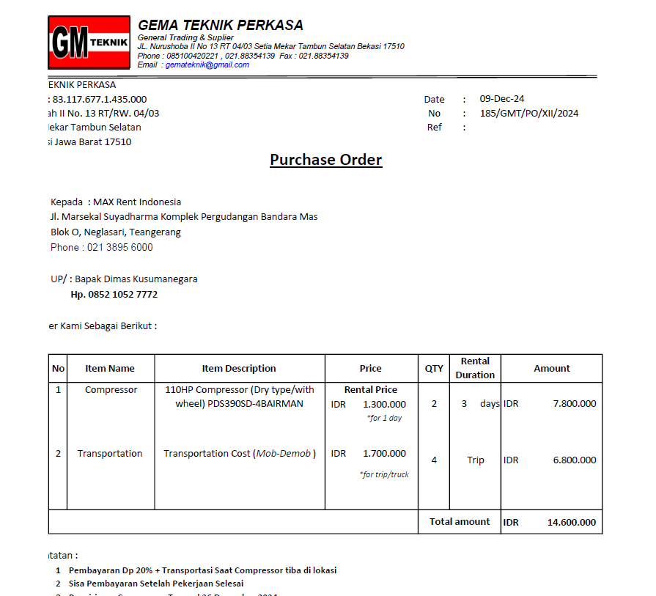

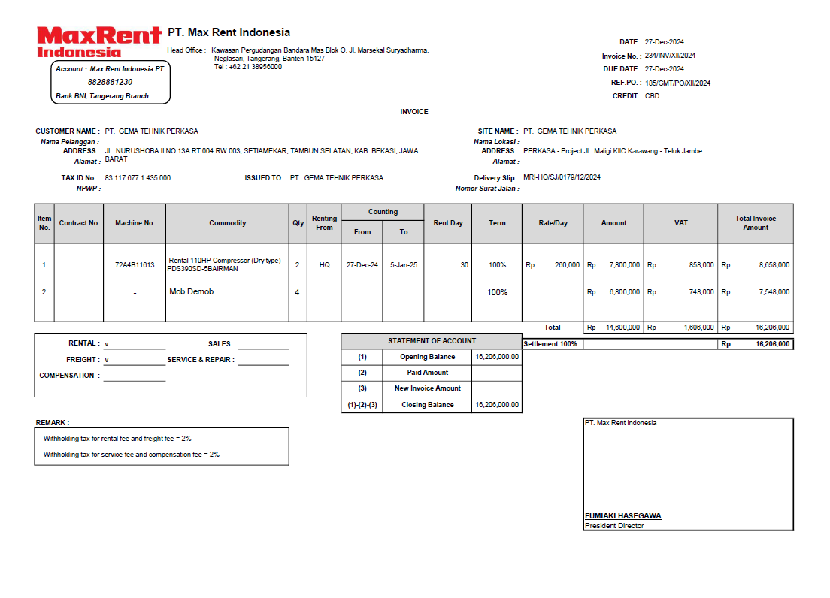

 |  |  |  |  |  |  |  | 7,800,000
 |  |  |  |  |  |  |  | 0.11
 |  |  |  |  |  |  |  | 858,000

Rab Material
RAB PT. DAIKI (NATARU)
 |  |  | JASA KERJA |  | Hand Tool & Consumable |  |  |  | Jumlah
Bulan | KETERANGAN | CASH | Gaji | BRICK SK-32 | BRICK B1 STD (230x114x65) | CALCIUM SILICA BOARD (1000x500x50mm) | Transport Lokal | Biaya lain
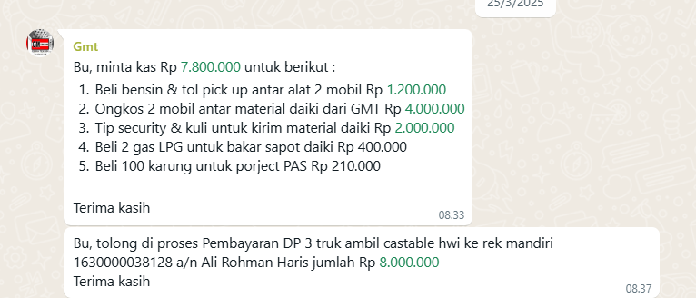

25-Apr-25 | Ongkos 2 mobil antar material daiki daiki GMT |  |  |  |  |  | Rp4,000,000 |  | Rp4,000,000
 | Tip Security & Kuli utk kirim material Daiki |  |  |  |  |  |  | Rp2,000,000 | Rp2,000,000
 | DP 3 Truck ambil Castable Indoporlen |  |  |  |  |  | Rp8,000,000 |  | Rp8,000,000
 | Pelunasan 3 truck ambil material Indoporlen |  |  |  |  |  | Rp7,000,000 |  | Rp7,000,000
 |  |  |  |  |  |  |  |  | Rp-
 |  |  |  |  |  |  |  |  | Rp-
 |  |  |  |  |  |  |  |  | Rp-
 |  |  |  |  |  |  |  |  | Rp-
 |  |  |  |  |  |  |  |  | Rp-
 | SALDO | Rp- | Rp- | Rp- | Rp- | Rp- | Rp19,000,000 | Rp2,000,000 | Rp21,000,000
 |  |  |  |  |  |  |  |  | #REF!

 | TAGIHAN |  | Rp33,632,500
RINCIAN |  |  |  |  | Modal | #REF!
 |  |  |  |  | Profit % | 43.51
 | Beick SK-32 STD (230x114x65mm) : 135 Pcs |  |  | Rp-
 | Insullation Brick B1 STD (230x114x65mm) : 240 Pcs |  |  | Rp- |  |  |  | PO | RAB | Selisih
 | Calcium Silica Boars (1000x500x50mm) : 78 Pcs |  |  | Rp- |  | Beick SK-32 STD (230x114x65mm) : 135 Pcs |  | 3,712,500 | 0 | 3,712,500
 | Ongkos |  |  | Rp19,000,000 |  | Insullation Brick B1 STD (230x114x65mm) : 240 Pcs |  | 4,420,000 | 0 | 4,420,000
 |  |  | BIAYA | Rp19,000,000 |  | Calcium Silica Boars (1000x500x50mm) : 78 Pcs |  | 25,500,000 | 0 | 25,500,000
 |  |  | SELISIH | Rp14,632,500 |  | Transport Lokal |  |  | 19,000,000 | 19,000,000
 |  |  |  |  |  |  | Total | 33,632,500 | 19,000,000 | 14,632,500

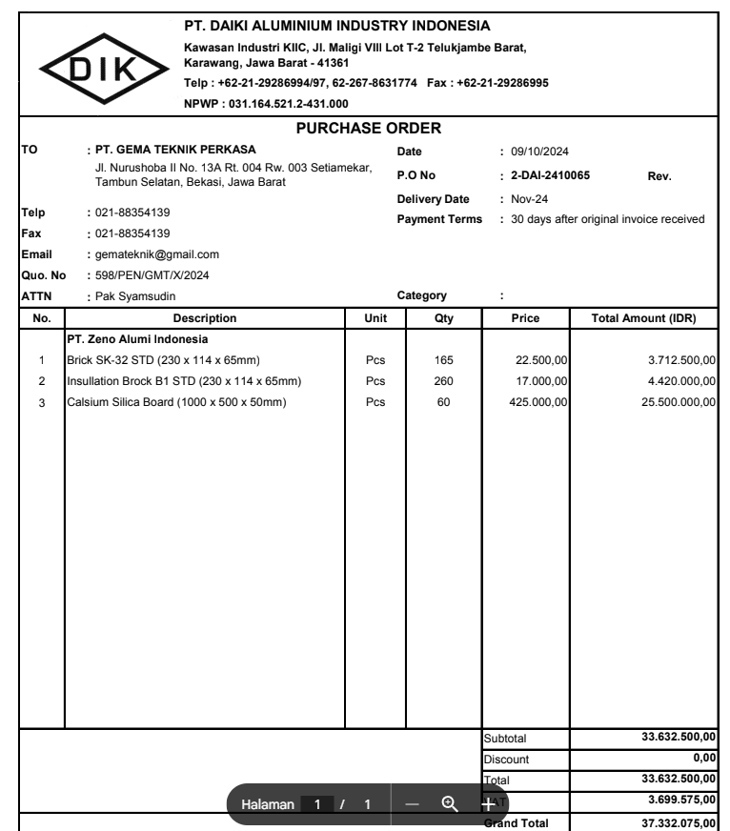

 |  |  |  |  |  | Diskon
 |  |  |  |  |  | Grand Total

Rab Compressor
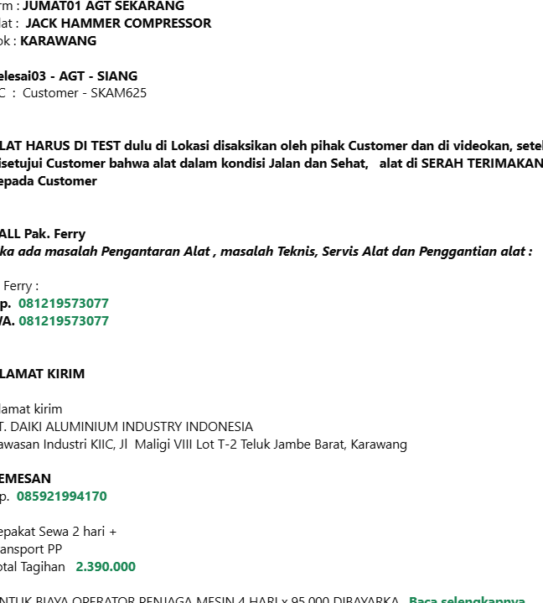
RAB PT. DAIKI (NATARU)
 |  |  | JASA KERJA |  | Hand Tool & Consumable |  |  |  |  | Jumlah
Bulan | KETERANGAN | CASH | Gaji | Kasbon | Compressor | Transport | Makan | MCU | Biaya lain

20-Mar-25 | Bayar DP Sewa Kompressor 3 Unit 3 hari |  |  |  | Rp28,800,000 |  |  |  |  | Rp28,800,000
26-Mar-25 | Pelunasan sewa Compressor 3 unit 3 hari |  |  |  | Rp16,900,000 |  |  |  |  | Rp16,900,000
8-Apr-25 | Sewa 3 Unit 1 hari Kompressor PDS (30 maret 2025) |  |  |  | Rp6,600,000 |  |  |  |  | Rp6,600,000
 | Uang makan Operator 1 hari (30 amret 2025) |  |  |  |  |  | Rp500,000 |  |  | Rp500,000
 | Sewa 3 unit 3 hari Kompressor PDS (1-3 April 2025) |  |  |  | Rp19,800,000 |  |  |  |  | Rp19,800,000
 | Sewa 2 unit 2 hari Kompressor PDS (4-5 April 2025) |  |  |  | Rp8,800,000 |  |  |  |  | Rp8,800,000
 | Uang makan Operator 5 hari (1-5 April 2025) |  |  |  |  |  | Rp2,500,000 |  |  | Rp2,500,000
 | Uang makan |  |  |  |  |  |  |  |  | Rp-
1-Aug-25 | Sewa Compressor 2 hari |  |  |  | Rp2,390,000 |  |  |  |  | Rp2,390,000
 |  |  |  |  |  |  |  |  |  | Rp-
 |  |  |  |  |  |  |  |  |  | Rp-
 | SALDO | Rp- | Rp- | Rp- | Rp83,290,000 | Rp- | Rp3,000,000 | Rp- | Rp- | Rp86,290,000

 | TAGIHAN |  | Rp151,500,000
RINCIAN | DP |  |  |  | Modal | #REF!
 | Rental Compressor PDS 175 2 Hari |  |  | Rp83,290,000 | Profit % | 56.96
 | Transportasi Mesin Compressor |  |  | Rp-
 | Makan |  |  | Rp3,000,000 |  |  | PO | Rab | Selisih
 |  |  |  |  |  | Rental Compressor PDS 175 2 Hari
 |  |  | BIAYA | Rp86,290,000 |  | Transportasi Mesin Compressor
 |  |  | SELISIH | Rp65,210,000 |  | Makan
 |  |  |  |  |  | Total | Rp- | Rp- | Rp-
 |  |  |  |  |  | Diskon |  | 0 | Rp-
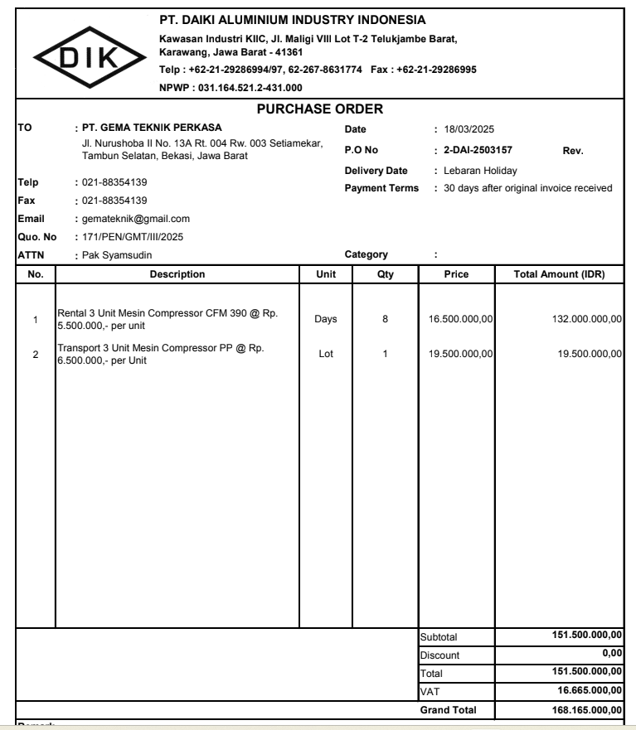
 |  |  |  |  |  | Grand Total | Rp- | Rp- | Rp-

Nota
